Hummel 3-Pack
 |  |  |  | 10 | 12
Photo | Article | Model | EUR | 36-40 | 41-45 | Total | RRP | Composition | Made in
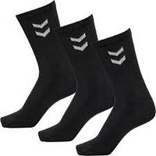 | 022030-2001 | Hummel Crew Socks Basic 3-Pack Black |  | 12500 | 12500 | 25000 | 9,95 EUR | 80% Cotton, 20% Polyester | Portugal
 | 022030-9001 | Hummel Crew Socks Basic 3-Pack White |  | 6250 | 6250 | 12500 | 9,95 EUR | 80% Cotton, 20% Polyester | Portugal
 |  |  |  |  |  | 37500

 |  |  |  |  |  |  |  | Pallet info
 |  |  |  |  |  |  |  | 1 Pallet / 20 cartons x 50 3-Packs Total 1000 3-Packs
 |  |  |  |  |  |  |  | 1 Pallet / 24 cartons x 50 3-Packs Total 1200 3-Packs

 |  |  |  |  |  |  |  | Carton info
 |  |  |  |  |  |  |  | 1 Carton / 50 3-Pack / net 8,90 kg / gross 10,20 kg

